CAS genesisWorld

 |  | CAS genesisWorld System Requirements | September 2016
 |  |  | Doc. Version 35
 | As a rule, all components of CAS genesisWorld (client, application server, database server) can be installed on one computer (single workstation). The system requirements for the application server then apply. However, you can also install the components on different computers if several users (clients) work with the program. Please read the following pages for information and recommendations for the architecture and configuration of your system.

 | Client 1
 | Processor | PC of the latest generation 2
 | Main memory | 2 GB, recommended: 4 GB
 | Operating system | Microsoft Windows 7 or Windows 8 recommended
 | Resolution 3 | minimum 1024x768
 | Color depth | minimum 16-bit

 | Application server 4
 | Processor | PC of the latest generation 5,6
 | Hard drive | System and document archive
 | Main memory 4 | 4 GB, recommended: 8 GB
 | Operating system | Please see the CAS Sofware AG release notes.

 | Database server 7
 | Processor | PC of the latest generation 5
 | Main memory 8,9 | 4 GB, recommended: 8 GB 11
 | Operating system | Please note the Microsoft release notes for SQL server
 | Database system | Microsoft SQL Server 2008 R2 or 2012 recommended
 | Hard disk system | High-performance RAID

 | E-mail server
 | The e-mail server must support IMAP or POP3 protocols according to the defined standard. The e-mail server must be multi-session capable.

 | General note
 | Please note that all information on this page are minimum requirements. You will find more detailed information, for example, on released client and server operating systems, in the "Release Notes CAS Products".
 | You require Internet access to view the online help files.
 | You must run the Microsoft Active Directory service in order to operate CAS genesisWorld. Microsoft live accounts are not supported for the logon.

 | Explanations
 | 1 Please note the system requirements for the application server when working with laptop installations with replication function.
 | 2 Requires at least 2 cores.
 | 3 Please make sure you use the latest 2D video card driver.
 | 4 The maximum memory for the application server is 3 gigabyte RAM (32-bit), and 4 gigabyte RAM (64-bit).
 | 5 Requires at least 2 cores, we recommend 4 cores or more.
 | 6 The CPU performance is dependent on the performance of one individual core. For best performance, deploy multi-core application servers to ensure that background processes can use enough resources.
 | 7 We recommend that you use a separate database server when you have reached 50 users or clients. Please look up the Hardware Infrastructure sheet for further recommendations of how to configure your system.
 | 8 The size of the recommended memory depends on the users/clients working on the system, at least 4 gigabyte RAM; we recommend to take half of the database size as RAM value.
 | 9 It is important that you define a maximum memory value that cannot be exceeded, this is because the SQL server addresses all the available RAM that it finds. From experience we know that the calculated RAM loads for the SQL server should never exceed more than 80 percent.
 | 10 As these browsers are very frequently updated, possible incompatibilities with CAS genesisWorld may occur. In case of incompatibilities, CAS Software will inform you as soon as possible.
 | 11 When using Web and Java Services on the DCOM Application Server we recommend that you use an additional 2GB of RAM for each service.

 | CAS Software AG, CAS-Weg 1 - 5, 76131 Karlsruhe, Germany, www.cas.de/en
 | Tel. +49 721-9638-188, Fax +49 721 9638-299, Sales@cas.de

Hardware architecture
 |  |  | September 2016
 |  | Parameters for possible hardware architectures | Doc.Version 35

 | The following examples show configurations and parameters for typical user scenarios. The number of users also refers to common examples. If you deploy applications with more than 400 clients, you can work with parallel application server architectures. Please note that the following examples do not replace an individual consulting to match your requirements.

 | Application server and database server

50 users
Application server
+ database server
4-core CPU
8 GB RAM
1 PC:
Application server
+ database server
100 users
150 users
Application server
4-core CPU
8 GB RAM
Application server
4-core CPU
8 GB RAM
Database server
4-core CPU
8 GB RAM
Database server
6-core/8-core CPU
16 GB RAM
separated database files
Application server
4-core CPU
8 GB RAM
2 PCs:
1 application server
+
1 database server
3 PCs:
2 application servers
+
1 database server
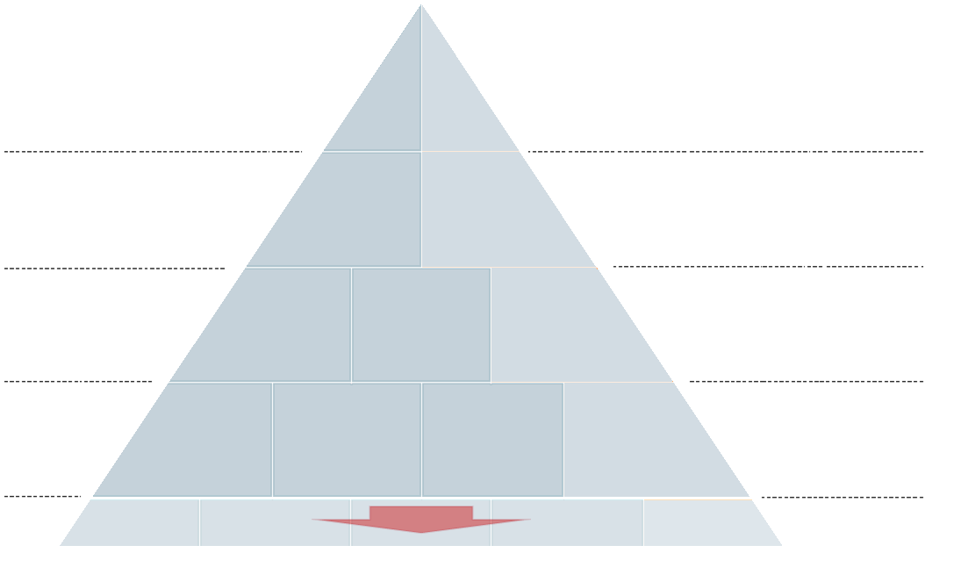
250 users
Application server
4-core CPU
8 GB RAM
Database server
8-core/12-core CPU
32 GB RAM
separated database files
Application server
4-core CPU
8 GB RAM
Application server
4-core CPU
8 GB RAM
4 PCs:
3 application servers
+
1 database server

 | When working with up to 50 users, you can use one computer on which you install the application server and the database system.
 | The recommended memory capacity for operating the database server depends on the database edition you are using and the size of the allocated capacity for the database system.
 | If you work with more than 50 users, we recommend to use a separate database system.
 | As data storage for the database system, we generally recommend a RAID system.
 | For larger installations, you should, in addition to the RAID system, optimize database storage by installing the database, the database log and the TempDB on separate partitions.
 | The computer with the database system requires sufficient memory to be able to cache a large amount of SQL queries.
 | As a general rule, a separate application server is to be installed on a separate computer for every additional 100 users.
 | When using Web and Java Services on the DCOM Application Server we recommend that you use an additional 2GB of RAM for each service.

 | Mobile solutions and portals

Mobile CRM
Portals
- teamWorks
- Survey online
- Helpdesk
- Timeclient online
- Event online
CAS genesisWorld Web
Any computer
with Web services

 | Due to security reasons, the Web portals and the server for Mobility should be installed on a separate computer which, other than the normal application server, can be accessed from outside.

 | Background services

Interfaces to
- ERP
- Exchange
- TAPI
- ........
Interfaces to
- ERP
- Exchange
- TAPI
- ........
Interfaces
Replication
Rules service
Replication
Rules service
Replication
Notifications and action service
1 computer
2 computers
3 computers
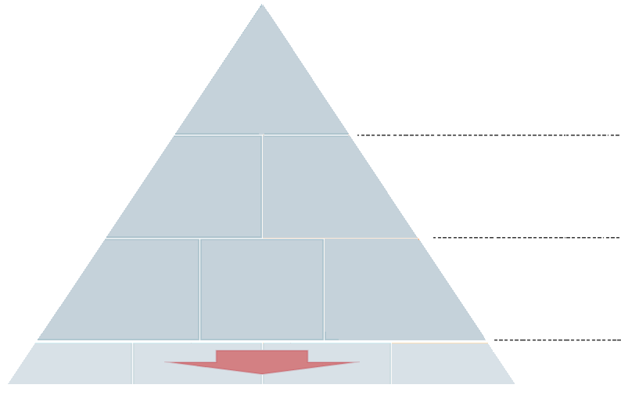

 | If the replication function is used a lot and by more than 10 users who regularly replicate, we recommend to install a separate application server. If the notification and action service is used a lot, especially with complex rules, we recommend to install a separate application server for this service when working with more than 50 rules. If this service processes less complex rules, we recommend to install a separate application server when working with more than 100 rules. Third-party systems that use a lot of storage or processor load, like e-mail server or ERP software should not be installed on the CAS genesisWorld application server.

 | Virtualization
 | Generally, the virtualization of the client, the application server and the database server is possible. When directly comparing physical systems, the requirements for the used hardware are higher. The same system requirements generally apply to virtual and physical systems. Important: a sufficient number of cores, large memory and low network latency. Additionally, the hard disc of the database server should match the performance of the physical servers.
 | If virtual application servers are not configured optimally, a good performance cannot be guaranteed.

 | General note
 | Please note that all information on this page are minimum requirements. You will find more detailed information, for example, on released client and server operating systems, in the "Release Notes CAS Products".

 | Important information
 | Using the latest graphic card driver on the computers with Windows clients prevents the slow loading of windows.
 | As CAS genesisWorld uses the DCOM interface, network latencies might strongly influence the performance..
 | We highly recommend to minimize latencies between the Windows client, the application server and the database server.
 | Try to avoid deploying the Windows client via connections with a high latency, for example, VPN via DSL/UMTS.
 | Network latencies are significantly higher in a virtual system.
 | Separate the database and the application server as early as possible. We recommend a number of 50 users.
 | You should also deploy a RAID system in early stages. The splitting of the database, the database log and the TempDB each on separate hard disc partitions is also recommended to be done during an earlier stage.
 | Mirroring the database increases resilience against failure.

 | CAS Software AG, CAS-Weg 1 - 5, 76131 Karlsruhe, www.cas.de/en
 | Tel. +49 721/9638-188, Fax +49 721 9638-299, Sales@cas.de

Example scenarios
 |  | Example scenarios for CAS genesisWorld | September 2016
 |  |  | Doc.Version 35
Here you find examples of configurations that will help you to estimate the number of servers and their configuration. However, the examples do not replace an individual consulting which will help you to match your individual requirements.
Our CAS Partners or CAS Software AG will be happy to further assist you with questions regarding the use of terminal servers with CAS genesisWorld.

Simple requirements
Scenario
30 users
1 location
No replication
No mobile clients
No interfaces
Mostly working with contacts/addresses
___________________________________
Configuration
1 server (physical)
Application server
Database
Extended requirements
Scenario
40 users
1 location: access via Citrix and native
No replication
50% of users work with mobile clients
Interface: synchronization of 5 data record types from different systems, high availability
Intensive use of contacts/addresses, rules, dashboard and calendars
___________________________________
Configuration
1 server (physical)
Database server
2 servers (virtual)
1 application server including interfaces and notification/action service
1 application server for mobile solutions - can be accessed from outside

Extended requirements
Scenario
100 users
1 location
Mobile clients
No replication
ERP interface
Custom data record types and windows
___________________________________
Configuration
1 server (physical)
Database server with RAID system and optimized database
3 servers (physical)
2 application servers, interface services and notification/action service
1 application server for mobile applications - can be accessed from outside
One location and deployment of terminal server
Scenario
200 users
1 location: access via VPN and WTS 2008 or Citrix; no parallel access of all users
Many users use mobile clients
No replication
ERP and Exchange interface
Working with contacts/addresses, opportunities, products and reports
___________________________________
Configuration
2 servers (physical)
Database server with a high-performance RAID system and optimized database
4 servers (physical)
2 application servers (intern)
1 application server for third-party systems: Exchange, Telefonie CTI, Data connect and ERP connect
1 application server for mobile applications - can be accessed from outside

Distributed installations and deployment of terminal server
Scenario
400 users
16 locations: access via VPN and WTS 2008 or Citrix; no parallel access of all users; infrastructure is hosted at one location
No mobile clients
No replication
ERP and BI system interface
Working with contacts/addresses, opportunities, products and reports
___________________________________
Configuration
1 server (physical)
Database server
3 servers (physical)
3 application servers

 | General note
 | As a general rule, a separate application server is to be installed on a separate computer for every additional 100 users.
 | If you use CAS genesisWorld's replication and multi-tenancy functions, you can also use several database management systems and databases.
 | If the replication function is used a lot and by more than 10 users who regularly replicate, we recommend to install a separate application server.
 | For the hard disk system of the database server, we generally recommend a RAID hard disk subsystem. For further information and detailed descriptions, please refer to Microsoft or Oracle documentations, depending on the database system you are deploying.
 | Due to security reasons, the Web portals and the Server for Mobility should run on a separate computer which can, other than the application server, be accessed from outside.
 | We recommend that you do not run applications that take up a large amount of memory and processor capacity on the same computer as the CAS genesisWorld application server is running on. Other programs, for example, ERP software are to be installed on different computers.

 | CAS Software AG, CAS-Weg 1 - 5, 76131 Karlsruhe, Germany, www.cas.de/en
 | Tel. +49 721/9638-188, Fax +49 721 9638-299, Sales@cas.de

